Introduction
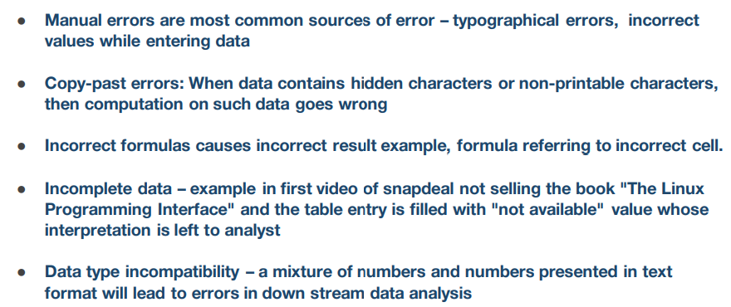
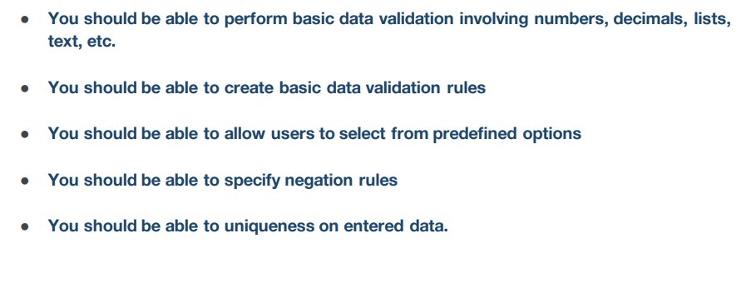

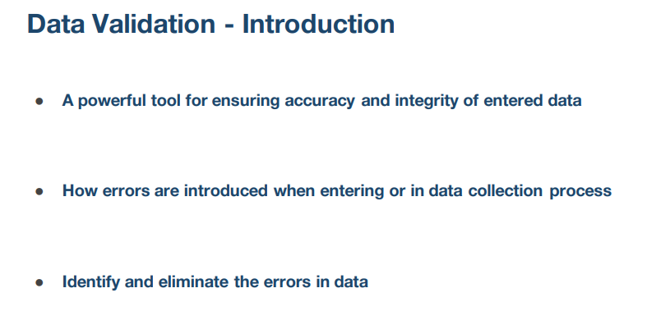

1353

dv-01-example
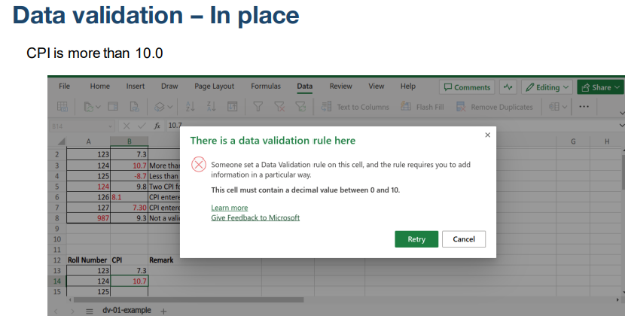
Roll Number |  | CPI | Remark
123 | 10 | 7.3
124 | 10.7 | 10.7 | More than 10.0
125 | -8.7 | -8.7 | Less than 0.0
124 | 9.8 | 9.8 | Two CPI for same roll number
126 | 8.1 | 8.1 | CPI entered as text data
127 | 7.3 | 7.30 | CPI entered as date & time format | 1/7/00
987 | 9.3 | 9.3 | Not a valid roll number

Roll Number |  | CPI | Remark
123 |  | 7.3
124 |  | 9.7
125 |  | 8.7
124 |  | 9.7
126 |  | 8.1
127
987

dv-05-previous-year
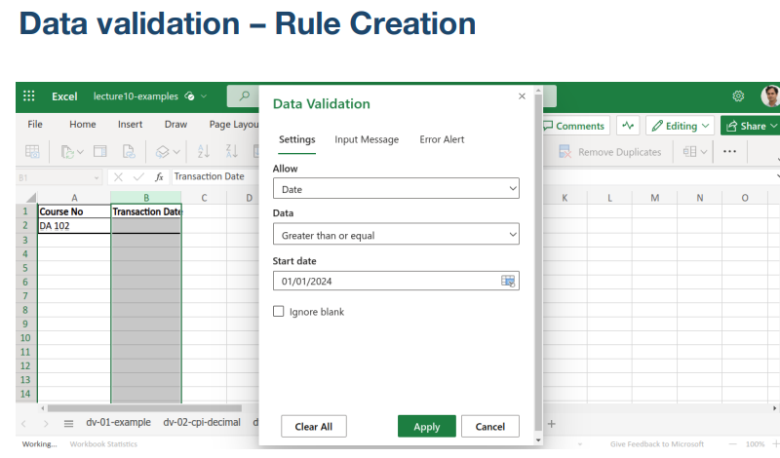
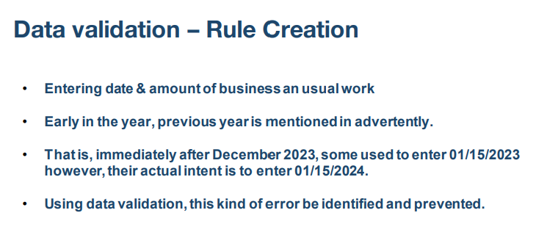
Course No | Transaction Date
Book

dv-06-list
Course No | Grade |  | Allowed Letter Grade | Grade Point
1234 |  |  | AA | 10
 |  |  | AB | 9
 |  |  | BB | 8
154 |  | AA | BC | 7
 |  |  | CC | 6
 |  |  | CD | 5
 |  |  | DD | 4
 |  |  | FP | 0
 |  |  | FA | 0
 |  |  | X | 0
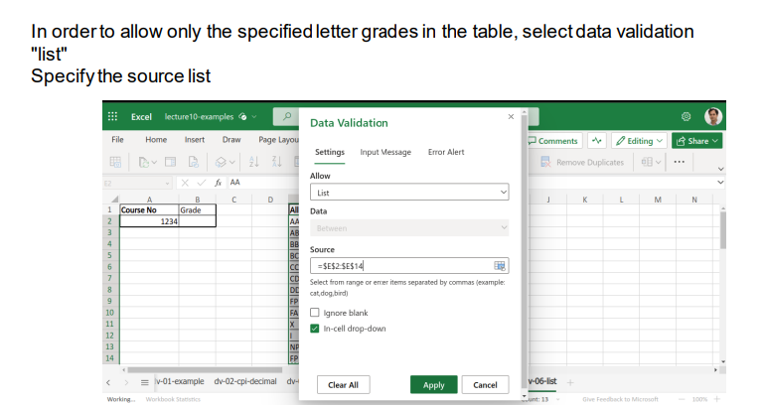
 |  |  | I | 0
 |  |  | NP | 0
 |  |  | FP | 0

dv-08-check-year
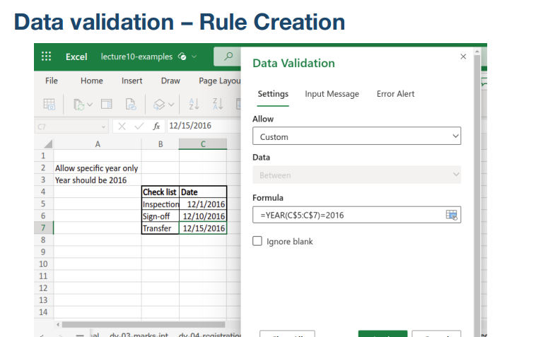
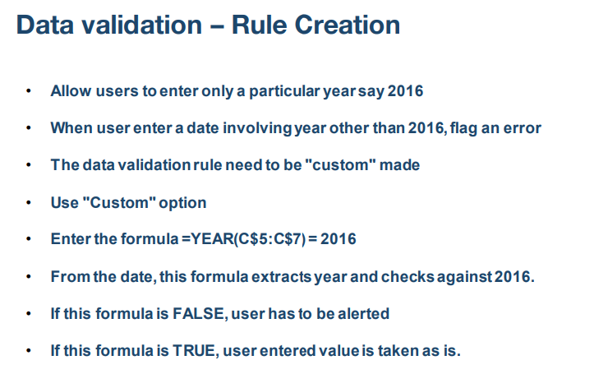
Allow specific year only
Year should be 2016
 | Check list | Date
 | Inspection | 2016-12-01
 | Sign-off | 2016-12-10
 | Transfer | 2016-12-15

chronological-date
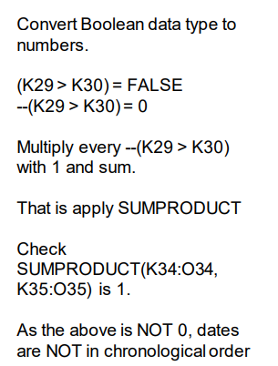
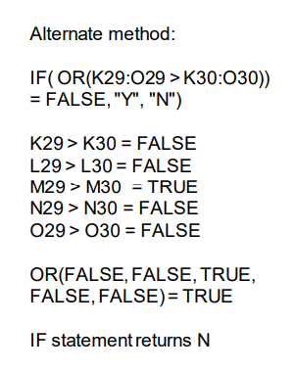
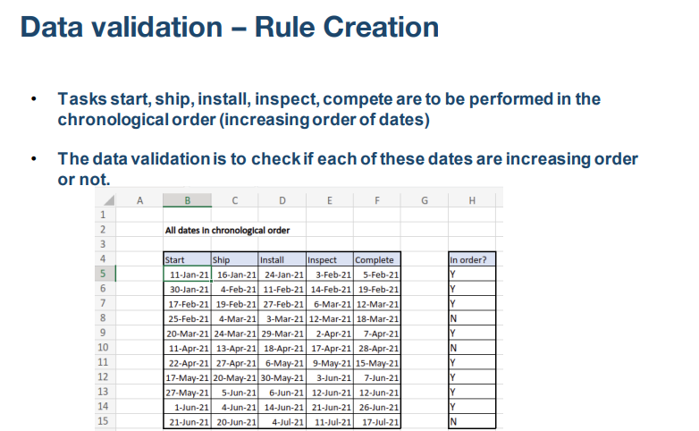
"A5:E5" |  | 11-Jan-21 | 16-Jan-21 | 24-Jan-21 | 3-Feb-21
"B5:F5" | 11-Jan-21 | 16-Jan-21 | 24-Jan-21 | 3-Feb-21 | 5-Feb-21

 | FALSE | FALSE | FALSE | FALSE | FALSE
 | =K3>K4 | =L3>L4 | =M3>M4 | =N3>N4 | =O3>O4
 | Y

 | 0 | 0 | 0 | 0 | 0
 | =--(K3>K4) | =--(L3>L4) | =--(M3>M4) | =--(N3>N4) | =--(O3>O4)
 | 1 | 1 | 1 | 1 | 1
 | 0
 | =SUMPRODUCT(K10:O10)

"A6:E6" |  | 30-Jan-21 | 4-Feb-21 | 11-Feb-21 | 14-Feb-21
"B6:F6" | 30-Jan-21 | 4-Feb-21 | 11-Feb-21 | 14-Feb-21 | 19-Feb-21

 | FALSE | FALSE | FALSE | FALSE | FALSE
 | =K16>K17 | =L16>L17 | =M16>M17 | =N16>N17 | =O16>O17

 | 0 | 0 | 0 | 0 | 0
 | =--(K16>K17) | =--(L16>L17) | =--(M16>M17) | =--(N16>N17) | =--(O16>O17)

 | 0
 | =SUMPRODUCT(K22:O22)

"A8:E8" |  | 25-Feb-21 | 4-Mar-21 | 3-Mar-21 | 12-Mar-21
"B8:F8" | 25-Feb-21 | 4-Mar-21 | 3-Mar-21 | 12-Mar-21 | 18-Mar-21
 | FALSE | FALSE | TRUE | FALSE | FALSE
 | =K29>K30 | =L29>L30 | =M29>M30 | =N29>N30 | =O29>O30

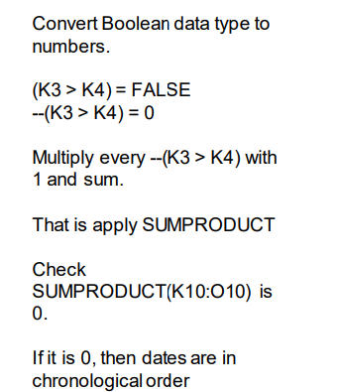
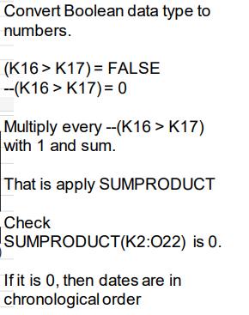
 | 1 | 1 | 1 | 1 | 1
 | 0 | 0 | 1 | 0 | 0
 | =--(K29>K30) | =--(L29>L30) | =--(M29>M30) | =--(N29>N30) | =--(O29>O30)
 | 1
 | =SUMPRODUCT(K34:O34, K35:O35)

Sheet1
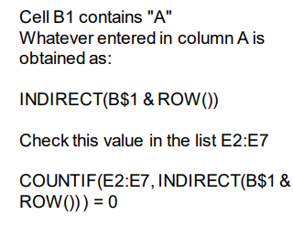
Denominations | A | Demonitize
 |  | 500
 |  | 2000
 |  | 0.5
 |  | 0.25
 |  | 0.1
 |  | 0.05

